Sheet1
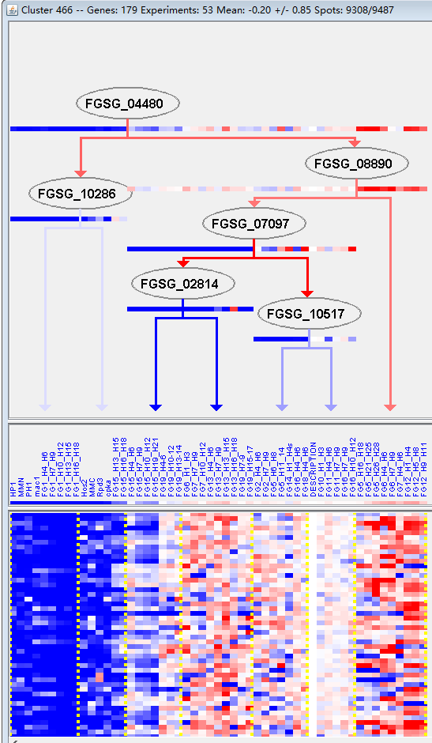
k | Filter | FUNCTIONAL CATEGORY | abs SET | rel SET | genes SET | abs GENOME | rel GENOME | rel SET/rel GENOME | P-VALUE | Bonferroni_corr | FDR
01.03.01.03 purine nucleotide/nucleoside/nucleobase anabolism | 2 | 1.44 | FGSG_07374 FGSG_13482 | 34 | 0.24 | 6 | 0.045067876511
01.03.13 regulation of nucleotide/nucleoside/nucleobase metabolism | 2 | 1.44 | FGSG_04782 FGSG_10914 | 30 | 0.21 | 6.8571428571 | 0.035855645511
99 UNCLASSIFIED PROTEINS | 98 | 71 | FGSG_00456 FGSG_00582 FGSG_11798 FGSG_11803 FGSG_00692 FGSG_00796 FGSG_00880 FGSG_00896 FGSG_01054 FGSG_01202 FGSG_01261 FGSG_01296 FGSG_01616 FGSG_01982 FGSG_02003 FGSG_12057 FGSG_12062 FGSG_02492 FGSG_02500 FGSG_02704 FGSG_12189 FGSG_14031 FGSG_04606 FGSG_04461 FGSG_04379 FGSG_04367 FGSG_04359 FGSG_12345 FGSG_03485 FGSG_03390 FGSG_03226 FGSG_12495 FGSG_03010 FGSG_04862 FGSG_05078 FGSG_05092 FGSG_05097 FGSG_12687 FGSG_05129 FGSG_05199 FGSG_05275 FGSG_12709 FGSG_05343 FGSG_05369 FGSG_05415 FGSG_05739 FGSG_05747 FGSG_05856 FGSG_06043 FGSG_06050 FGSG_06083 FGSG_06180 FGSG_12908 FGSG_12909 FGSG_06390 FGSG_12935 FGSG_06571 FGSG_06578 FGSG_06632 FGSG_06722 FGSG_06735 FGSG_06824 FGSG_13052 FGSG_07123 FGSG_07126 FGSG_13088 FGSG_07459 FGSG_07508 FGSG_07585 FGSG_13182 FGSG_13265 FGSG_08806 FGSG_13302 FGSG_08756 FGSG_08368 FGSG_08276 FGSG_08159 FGSG_13438 FGSG_07980 FGSG_09018 FGSG_13550 FGSG_09334 FGSG_09427 FGSG_09464 FGSG_09802 FGSG_13683 FGSG_13705 FGSG_10173 FGSG_10236 FGSG_10314 FGSG_10408 FGSG_10550 FGSG_11173 FGSG_13858 FGSG_11083 FGSG_11023 FGSG_10965 FGSG_11287 | 7238 | 52.3 | 1.3575525813 | 5.42E-06

01.03.01.03嘌呤核苷酸/核苷/碱基合成代谢
01.03.13核苷酸/核苷/碱基代谢的调节
99未分类的蛋白质

